KCl 9.5.23
Experimenal Data |  |  | Residuals |  |  |  | Theoretical Data
Concentration (mM) | Conductivity reading (uS/cm) | Concentration (mM) setting y-int=0 | Concentration (mM) | Experimental Conductivity (uS/cm) | Calculated/Theoretical Conductivity setting y-int=0 (uS/cm) | Residual without intercept | Diff. coef. K+ (m^2/s) | 1.96E-09
0 | 0.88 | 0.01 | 0 | 0.88 | 0.00 | 0.88 | Diff. coef. Cl- (m^2/s) | 2.03E-09 | Equation used is from the reference: Electrical conductivity of mixed electrolytes modeling within the mean spherical approximation - equation 1 assuming the parenthetical terms are negligible.
2 | 272.04 | 2.22 | 2 | 272.04 | 245.56 | 26.48 | Avogadros number | 6.022E+23
4 | 530.48 | 4.32 | 4 | 530.48 | 491.12 | 39.36 | T (K) | 298.15
6 | 794.86 | 6.47 | 6 | 794.86 | 736.68 | 58.18 | boltzmann constant | 1.381E-23
8 | 1055.1 | 8.59 | 8 | 1055.1 | 982.24 | 72.86 | electric charge | 1.602E-19
10 | 1286.5 | 10.48 | 10 | 1286.5 | 1227.80 | 58.70 | zK+ | 1
20 | 2601.9 | 21.19 | 20 | 2601.9 | 2455.60 | 146.30 | zCl- | -1
30 | 3850.1 | 31.36 | 30 | 3850.1 | 3683.40 | 166.70
40 | 5090.6 | 41.46 | 40 | 5090.6 | 4911.20 | 179.40 | Concentration (mmol/L) | Concentration (mole/m^3) | Conductivity (S/cm) | Conductivity (uS/cm)
50 | 6268.6 | 51.06 | 50 | 6268.6 | 6139.00 | 129.60 | 0 | 0 | 0 | 0
60 | 7488.8 | 60.99 | 60 | 7488.8 | 7366.80 | 122.00 | 2 | 2 | 0.03 | 299.53
70 | 8620.3 | 70.21 | 70 | 8620.3 | 8594.60 | 25.70 | 4 | 4 | 0.06 | 599.06
80 | 9866.1 | 80.36 | 80 | 9866.1 | 9822.40 | 43.70 | 6 | 6 | 0.09 | 898.59
90 | 11024.0 | 89.79 | 90 | 11024.0 | 11050.20 | -26.20 | 8 | 8 | 0.12 | 1198.12
100 | 11944.0 | 97.28 | 100 | 11944.0 | 12278.00 | -334.00 | 10 | 10 | 0.15 | 1497.65
KCl calibration curve
 |  |  |  |  |  |  | 20 | 20 | 0.30 | 2995.30
Residuals
 |  |  |  |  |  |  | 30 | 30 | 0.45 | 4492.95
 |  |  |  |  |  |  | 40 | 40 | 0.60 | 5990.60
 |  |  |  |  |  |  | 50 | 50 | 0.75 | 7488.25
 |  |  |  |  |  |  | 60 | 60 | 0.90 | 8985.90
 |  |  |  |  |  |  | 70 | 70 | 1.05 | 10483.55
 |  |  |  |  |  |  | 80 | 80 | 1.20 | 11981.20
 |  |  |  |  |  |  | 90 | 90 | 1.35 | 13478.85
 |  |  |  |  |  |  | 100 | 100 | 1.50 | 14976.49
KCl calibration curve

NdCl3 9.6.23
Experimenal Data |  |  | Residuals |  |  |  | Theoretical Data
Concentration (mM) | Conductivity reading (uS/cm) | Concentration (mM) setting y-int=0 | Concentration (mM) | Experimental Conductivity (uS/cm) | Calculated/Theoretical Conductivity setting y-int=0 (uS/cm) | Residual without intercept | Diff. coef. Nd3+ (m^2/s) | 6.2E-10 | *For La3+ but similar enough
0 | 0.90 | 0.00 | 0 | 0.90 | 0.00 | 0.90 | Diff. coef. Cl- (m^2/s) | 2.03E-09 | Equation used is from the reference: Electrical conductivity of mixed electrolytes modeling within the mean spherical approximation - equation 1 assuming the parenthetical terms are negligible.
2 | 678.27 | 2.74 | 2 | 678.27 | 495.22 | 183.05 | Avogadros number | 6.022E+23
4 | 1242.90 | 5.02 | 4 | 1242.90 | 990.44 | 252.46 | T (K) | 298.15
6 | 1849.80 | 7.47 | 6 | 1849.80 | 1485.66 | 364.14 | boltzmann constant | 1.381E-23
8 | 2420.5 | 9.78 | 8 | 2420.5 | 1980.88 | 439.62 | electric charge | 1.602E-19
10 | 2965.9 | 11.98 | 10 | 2965.9 | 2476.10 | 489.80 | zNd3+ | 3
20 | 5579.6 | 22.53 | 20 | 5579.6 | 4952.20 | 627.40 | zCl- | -1
30 | 8140.1 | 32.87 | 30 | 8140.1 | 7428.30 | 711.80
40 | 10551.0 | 42.61 | 40 | 10551.0 | 9904.40 | 646.60 | Concentration (mmol/L) | Concentration (mole/m^3) | Conductivity (S/cm) | Conductivity (uS/cm)
50 | 12797.0 | 51.68 | 50 | 12797.0 | 12380.50 | 416.50 | 0 | 0 | 0.00 | 0.00
60 | 15116.0 | 61.05 | 60 | 15116.0 | 14856.60 | 259.40 | 2 | 2 | 0.09 | 876.07
70 | 17432.0 | 70.40 | 70 | 17432.0 | 17332.70 | 99.30 | 4 | 4 | 0.18 | 1752.14
80 | 19684.0 | 79.50 | 80 | 19684.0 | 19808.80 | -124.80 | 6 | 6 | 0.26 | 2628.21
90 | 21888.0 | 88.40 | 90 | 21888.0 | 22284.90 | -396.90 | 8 | 8 | 0.35 | 3504.27
100 | 24068.0 | 97.20 | 100 | 24068.0 | 24761.00 | -693.00 | 10 | 10 | 0.44 | 4380.34
NdCl3 calibration curve
 |  |  |  |  |  |  | 20 | 20 | 0.88 | 8760.69
Residuals
 |  |  |  |  |  |  | 30 | 30 | 1.31 | 13141.03
 |  |  |  |  |  |  | 40 | 40 | 1.75 | 17521.37
 |  |  |  |  |  |  | 50 | 50 | 2.19 | 21901.72
 |  |  |  |  |  |  | 60 | 60 | 2.63 | 26282.06
 |  |  |  |  |  |  | 70 | 70 | 3.07 | 30662.40
 |  |  |  |  |  |  | 80 | 80 | 3.50 | 35042.75
 |  |  |  |  |  |  | 90 | 90 | 3.94 | 39423.09
 |  |  |  |  |  |  | 100 | 100 | 4.38 | 43803.43
NdCl3 calibration curve

KCl+NdCl3 9.6.23
 | Experimenal Data (KCl:NdCl3)
KCl Concentration (mM) | NdCl3 Concentration (mM) | Bulk conductivity reading (uS/cm) | KCl Concentration setting y-int=0 (mM) | NdCl3 Concentration settig y-int=0 (mM) | KCl Concentration (mM) | NdCl3 Concentration (mM) | Bulk conductivity reading (uS/cm) | KCl Concentration setting y-int=0 (mM) | NdCl3 Concentration settig y-int=0 (mM) | KCl Concentration (mM) | NdCl3 Concentration (mM) | Bulk conductivity reading (uS/cm) | KCl Concentration setting y-int=0 (mM) | NdCl3 Concentration settig y-int=0 (mM)
0.00 | 0.00 | 0.52 | 0.00 | 0.00 | 0.00 | 0.00 | 0.56 | 0.01 | 0.00 | 0.00 | 0.00 | 0.55 | 0.01 | 0.00
2.56 | 2.56 | 1156.7 | 5.64 | 4.05 | 2.22 | 1.11 | 668.5 | 4.03 | 1.98 | 1.11 | 2.22 | 893.61 | 3.86 | 3.55
4.17 | 4.17 | 1833.8 | 8.73 | 6.37 | 4.00 | 2.00 | 1170.5 | 6.94 | 3.42 | 2.00 | 4.00 | 1545.9 | 6.35 | 6.10
6.25 | 6.25 | 2684 | 12.46 | 9.25 | 8.00 | 4.00 | 2267.4 | 13.18 | 6.50 | 4.00 | 8.00 | 2959.1 | 11.44 | 11.59
8.33 | 8.33 | 3327.4 | 14.24 | 11.18 | 12.12 | 6.06 | 3357.8 | 19.23 | 9.49 | 6.06 | 12.12 | 4359.9 | 16.16 | 16.99
10.00 | 10.00 | 4181 | 18.86 | 14.28 | 16.00 | 8.00 | 4377 | 24.87 | 12.28 | 8.00 | 16.00 | 5628.8 | 20.14 | 21.85
20.00 | 20.00 | 8631.5 | 40.28 | 29.78 | 20.00 | 10.00 | 5397.1 | 30.38 | 15.01 | 10.00 | 20.00 | 6902.8 | 23.91 | 26.71
30.30 | 30.30 | 11513 | 46.21 | 37.98 | 30.03 | 15.02 | 7850.4 | 43.22 | 21.38 | 15.02 | 30.03 | 9814.1 | 30.69 | 37.59
40.00 | 40.00 | 14907 | 58.25 | 48.80 | 40.00 | 20.00 | 10189 | 55.03 | 27.25 | 20.00 | 40.00 | 12706 | 37.41 | 48.40
50.00 | 50.00 | 18309 | 69.73 | 59.52 | 50.00 | 25.00 | 12531 | 66.84 | 33.12 | 25.00 | 50.00 | 15618 | 44.25 | 59.29
60.24 | 60.24 | 21747 | 81.06 | 70.29 | 60.24 | 30.12 | 14924 | 78.89 | 39.12 | 30.12 | 60.24 | 18535 | 50.65 | 70.14
70.42 | 70.42 | 25064 | 91.37 | 80.53 | 70.42 | 35.21 | 17227 | 90.14 | 44.73 | 35.21 | 70.42 | 21120 | 54.02 | 79.50
80.00 | 80.00 | 28062 | 99.91 | 89.60 | 80.00 | 40.00 | 19280 | 99.66 | 49.48 | 40.00 | 80.00 | 23899 | 60.48 | 89.88
90.91 | 90.91 | 31598 | 110.78 | 100.49 | 90.09 | 45.05 | 21695 | 112.07 | 55.65 | 45.05 | 90.09 | 26721 | 66.29 | 100.34
100.00 | 100.00 | 34492 | 119.34 | 109.33 | 100.00 | 50.00 | 23660 | 120.41 | 59.84 | 50.00 | 100.00 | 29405 | 71.16 | 110.21

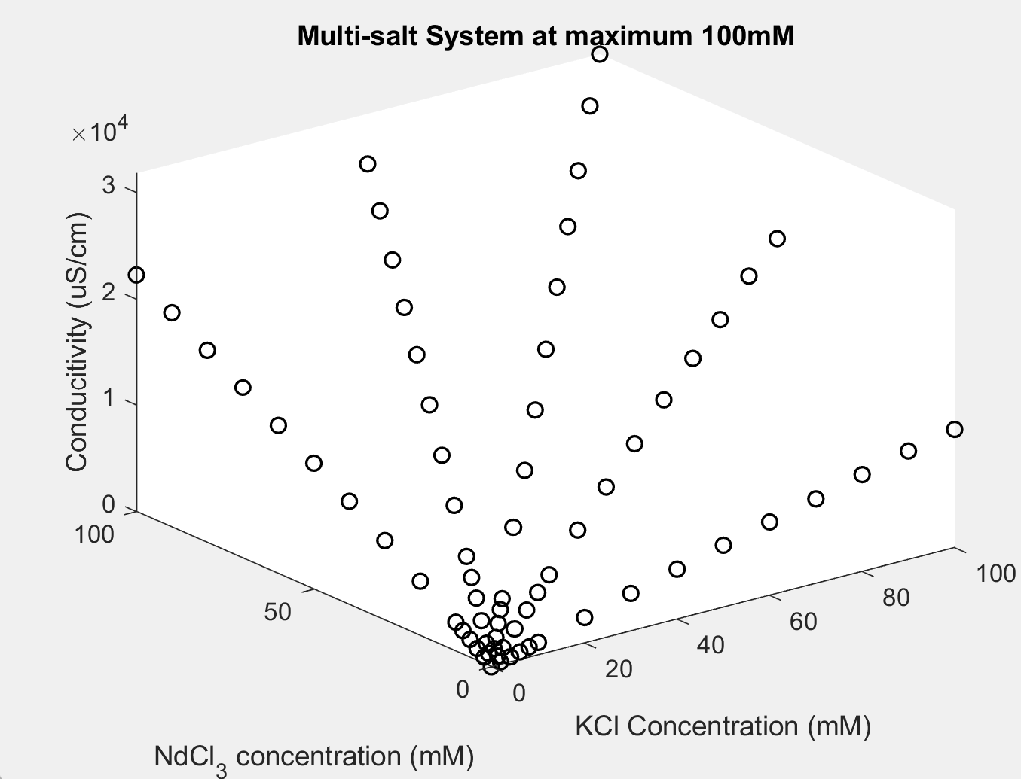
 |  |  | From MATLAB curve fitting app:

 |  |  | conductivity = 482.9+105.6*[KCl]+218.9*[NdCl3]

